WINDSHIELD PARTS
WINDSHIELD FASTENERS

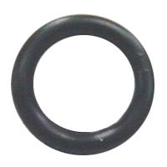
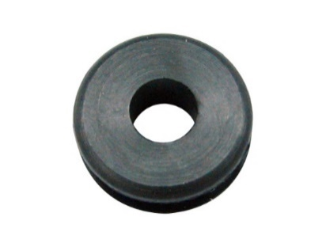

06-179
06-180
86-180
13-975
WINDSHIELD MOUNTING
GROMMETS
MATERIAL : RUBBER

MATERIAL : RUBBER

IN | ID | THICKNESS |  | IN | ID | OD | THICKNESS
06-179 | 25.4MM | 5.2MM |  | 13-975 | 15.5MM | 6MM | 5.2MM
06-180 | 19.0MM | 3.53MM
86-180 | 21.5MM | 4.9MM
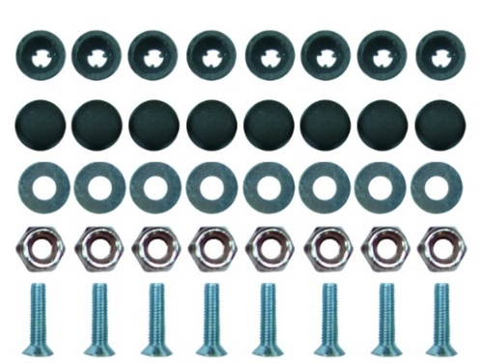
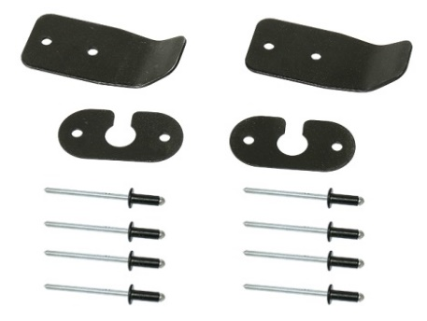

SM-06011
WINDSHIELD
BRACKETS
INCLUDES :
2 PCS FRONT BRACKETS
2 PCS SIDE BRACKETS
8 PCS RIVETS

86-183
WINDSHIELD
FASTENER KIT
MATERIAL : STEEL & PLASTIC

APPLICATION |  |  | YEAR
LYNX |  |  |  | LYNX
ALL COBRA MODELS |  |  | 1993-95
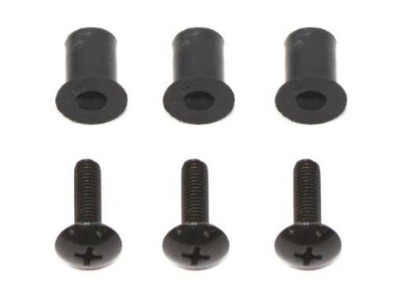

06-183
WINDSHIELD
SCREW KIT
REPLACES :
90150-05024-00
90179-05523-00
3PCS SCREW
3PCS RUBBER NUT
9.5MM OD
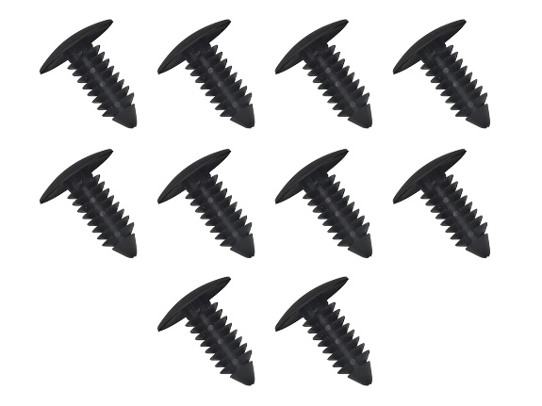

06-182
7/8" WINDSHIELD DART
MATERIAL : PLASTIC
APPLICATION |  |  | YEAR
YAMAHA
APEX |  |  | 2006-12
ATTAK |  |  | 2006-07
FY NYTRO |  |  | 2008-11
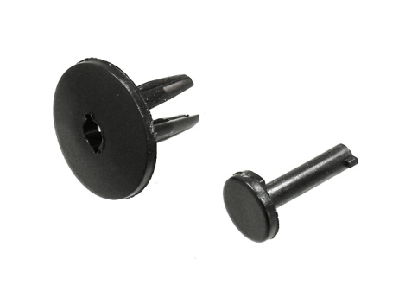
MOUNTIAN MAX 600 |  |  | 1997-03
MOUNTIAN MAX 700 |  |  | 1997-03
NYTRO |  |  | 2006-08
PHAZER |  |  | 1999-01
PHAZER |  |  | 2007-10
RAGE |  |  | 2005-07
RS CEVTOR MTN |  |  | 2005-11
SM-06001
WINDSHIELD DARTS
OEM# 7621505/ 7621509
MATERIAL : NYLON
PACKED 10SET/BAG
RS VENTURE |  |  | 2005-11
RX WARRIOR |  |  | 2004-05
RX-1, MTN |  |  | 2003-05
VECTOR MTN |  |  | 2006-07
VENTURE, GT |  |  | 2007
ALSO FITS ATVs, PLEASE INQUIRE FOR DETAIL INFORMATION
VENTURE 500 |  |  | 1997-01
VENTURE 600 |  |  | 1997-03
VENTURE 700 |  |  | 1998-02
VENTURE Lite |  |  | 2007-10
VK PRO |  |  | 2006-10
V-MAX500 |  |  | 1997-01
V-MAX 600 |  |  | 1997-03
V-MAX 700 |  |  | 1997-02

WINDSHIELD FASTENERS

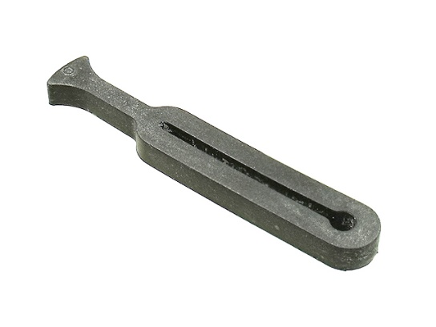
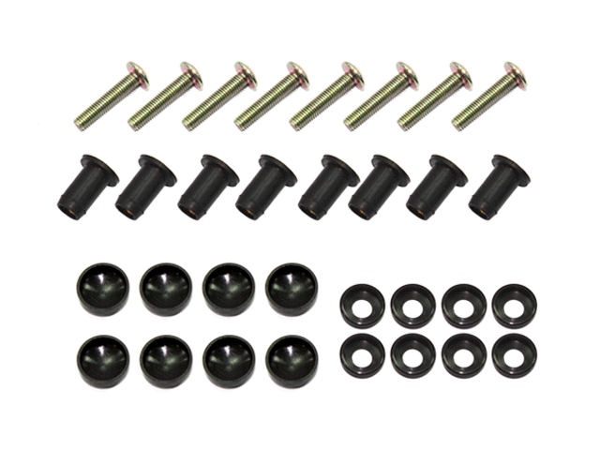

SM-06006
UNIVERSAL WINDSHIELD STRAP
MATERIAL : RUBBER
THICKNESS : 4.6MM
LENGTH : 62.3MM
WIDTH : 10MM
SM-06013
SIZE : 9MM X 17MM
MATERIAL: RUBBER WITH BRASS
INSERT S.S BOLT AND NYLON WASHER

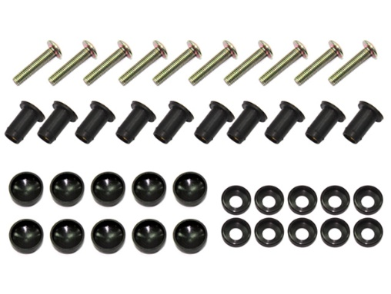
APPLICATION
ARCTIC CAT
ALL MODELS

POLARIS
ALL MODELS, 5410970

SKI - DOO
572032800

SM-06015
SIZE : 9MM X 17MM
INCLUDES :
* 10PCS BLACK RUBBER SEALS WITH THREADED
BRASS INSERTS.
* STAINLESS STEEL BOLTS
* PLASTIC CAPS FOR A CLEAN LOOK.
YAMAHA
8K4-77223-00
ALL MODELS THRU 01 - 04 WITH TAB WINDSHIELD REQUIRING O-RING TYPE FETENERS

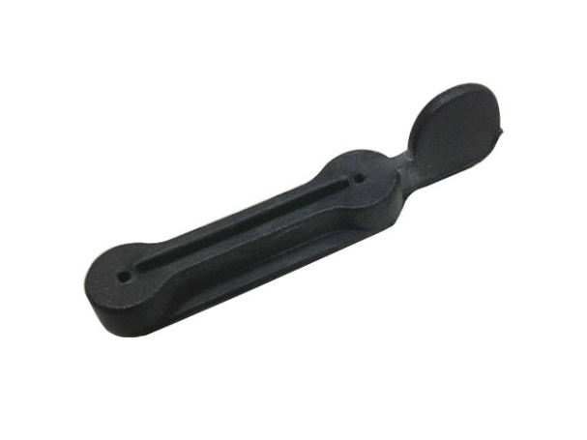

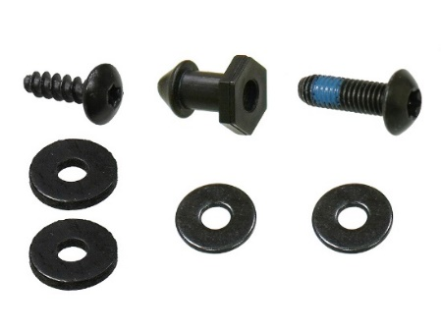

SM-06012
OEM# 82H-77223-00-00
WINDSHIELD RETAINER
SIZE : 1.3" SLOT

SM-06020
INCLUDES:
OEM# 250-0001-46, TORX SCREW (#8) X 1PC
OEM# 250-0001-45, TORX BOLT X 1PC
OEM# 250-2000-24, RUBBER WASHER X 2PC
OEM# 250-2000-25 STEEL WASHER X 2PC
OEM# 517-3034-39 KNOB X 1PC

 |  |  |  |  |  |  |  | 501
APPLICATION |  |  | YEAR |  |  |  |  | 21321
YAMAHA
MANY MODELS |  |  | 1980-06
VK PRO/RS VIKING |  |  | 2007-22

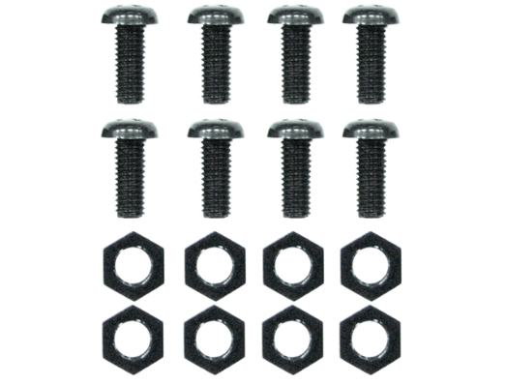
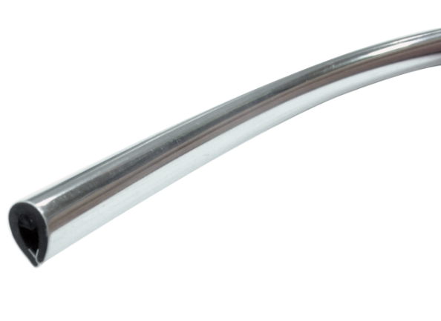
WINDSHIELD TRIM

SM-06009
CHROME, WITH GLUE
MATERIAL : PVC
SIZE : 15M / ROLL

SM-06054
FASTENER KIT
INCLUDES:
10 NUTS & 10 SCREWS
MATERIAL:NYLON

SM-06010
BLACK, WITH GLUE
MATERIAL : PVC
SIZE : 15M/ROLL

* REPLACES RIVETS FOR A QUICKER AND
EASIER INSTALLATION.
* INCLUDES PHILLIPS PLASTIC
* SCREWS AND SELF-LOCKING NUTS

WINDSHIELD FASTENERS

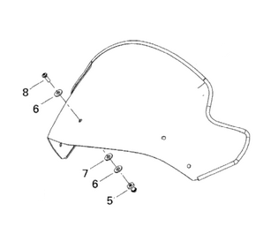

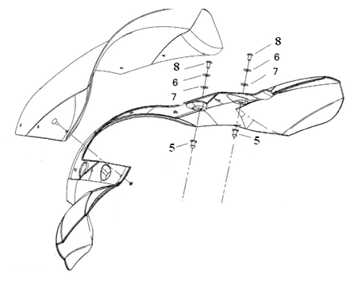

WINDSHIELD
OEM# 517-3035-42,
517-3035-44, 517-3037-11
5 KITS PER WINDSHIELD
AIR DEFLECTOR OEM# 517-3028-16
WINDSHIELD OEM# 517-3030-94
WINDSHIELD OEM# 517-3024-43
4 KITS PER WINDSHIELD

SM-06020 APPLICATIONS CONTINUE ON NEXT PAGE

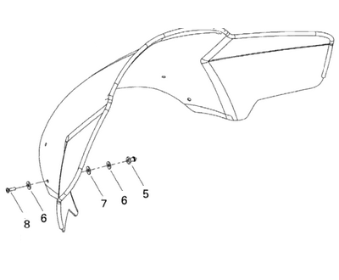
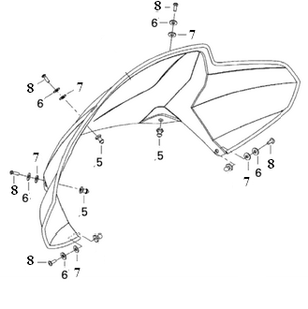

WINDSHIELD OEM# 517-3031-40
5 KITS PER WINDSHIELD

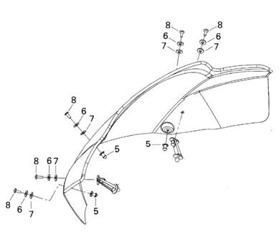

WINDSHIELD OEM# 517-3035--11
5 KITS PER WINDSHIELD

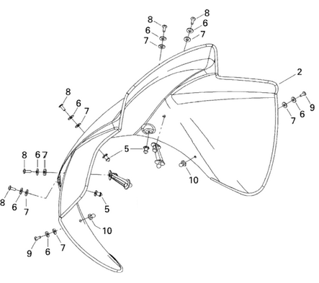

WINDSHIELD
OEM# 517-3031-74
5 KITS PER WINDSHIELD

SM-06020 APPLICATIONS

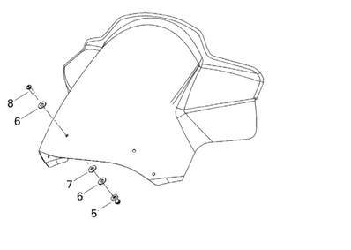

WINDSHIELD
OEM# 517-3032-47, 517-3035-09
4 KITS PER WINDSHIELD

WINDSHIELD
OEM# 517-3032-70
5 KITS PER WINDSHIELD

